Sheet1
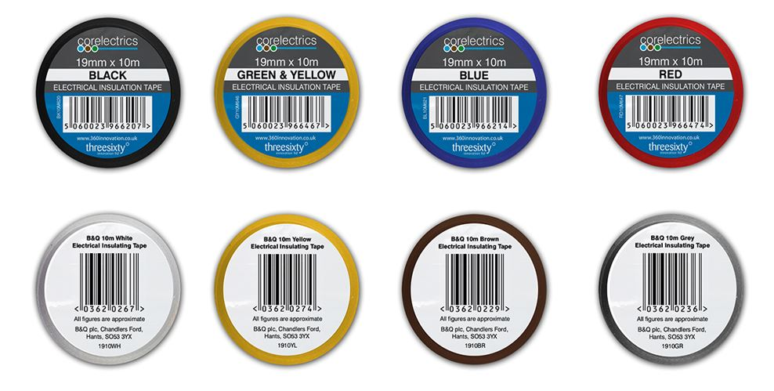
Electrical Insulating Tape Black 10m | 13,774
Electrical Insulating Tape Red 10m | 10,398
Electrical Insulating Tape Blue 10m | 609
YELLOW 10m ELECTRICAL INSULATING TAPE | 760
BROWN 10m ELECTRICAL INSULATING TAPE- BROWN 10M | 450
GREY 10m ELECTRICAL INSULATING TAPE- GREY 10M | 353
WHITE 10m INSULATING TAPE | 13,120
Electrical Insulating Tape Grn/Yllw 10m | 757
 | 40,221

